Lab Details
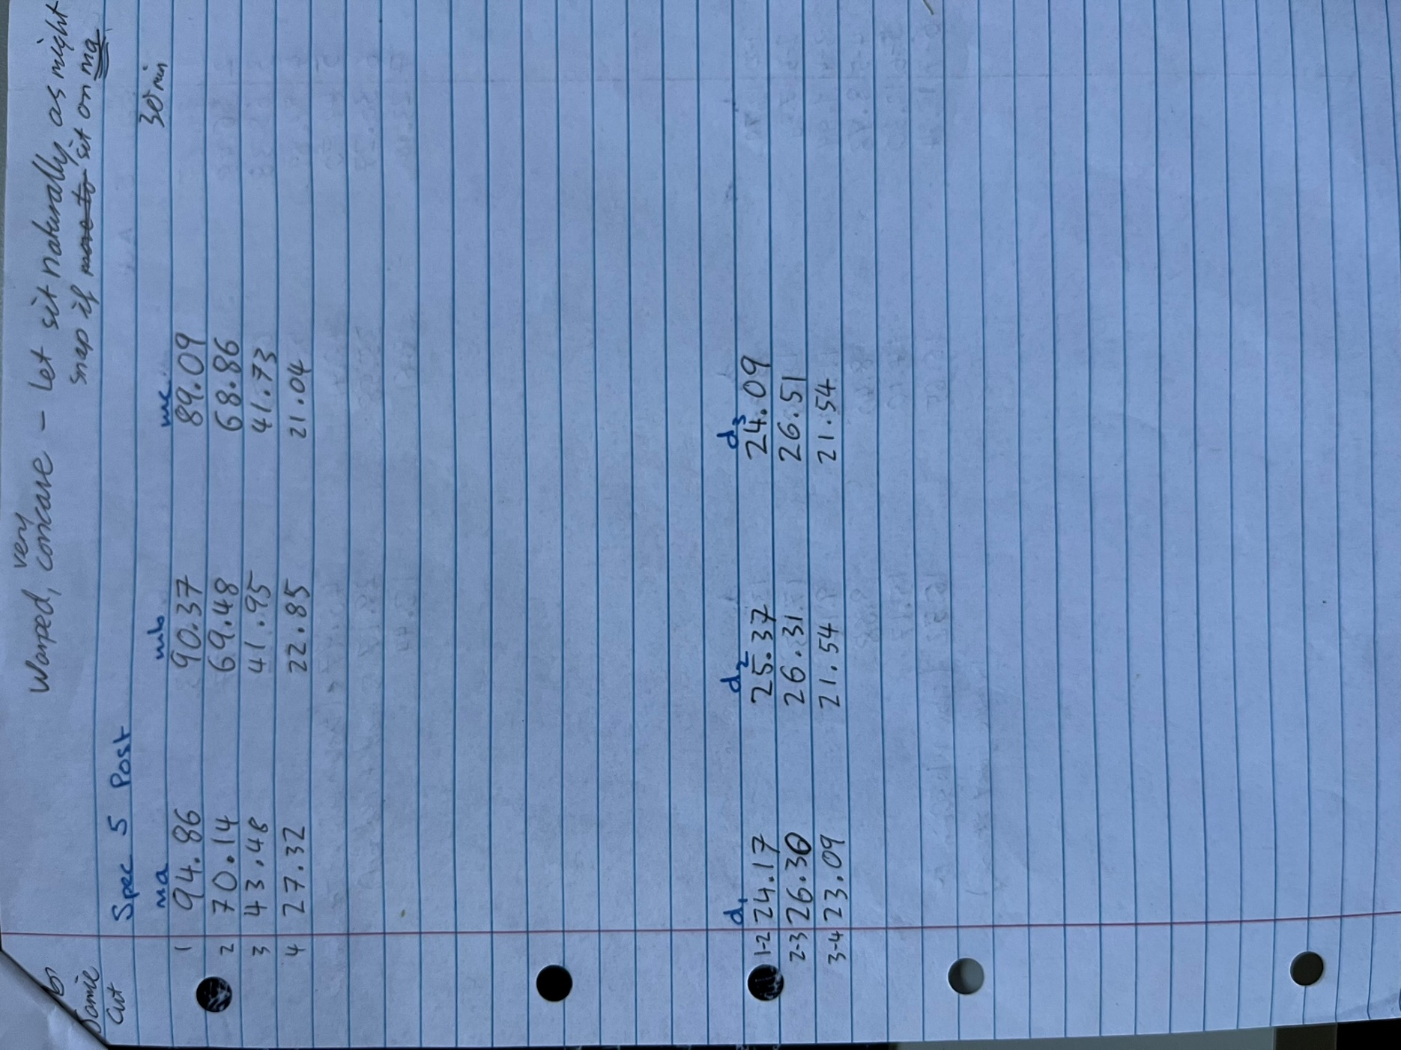
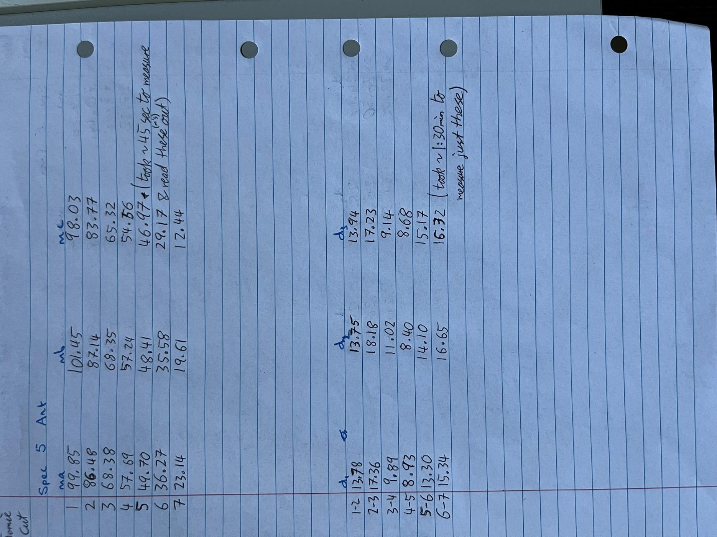
Posterior+Anterior |  | Specimen 05
Cut on 31-01-2025 |  | Bladewidth -0.6mm

 | Posterior |  |  |  | Anterior
 | Cut # | ma | mb | mc | Cut # | ma | mb | mc
 | 1 | 94.86 | 90.37 | 89.09 | 1 | 99.85 | 101.45 | 98.03
 | 2 | 70.14 | 69.48 | 68.86 | 2 | 86.48 | 87.14 | 83.77
 | 3 | 43.48 | 41.95 | 41.73 | 3 | 68.38 | 68.35 | 65.32
 | 4 | 27.32 | 22.85 | 21.04 | 4 | 57.69 | 57.24 | 54.56
 |  |  |  |  | 5 | 49.7 | 48.41 | 46.97
 |  |  |  |  | 6 | 36.27 | 35.58 | 29.17
 | Posterior |  |  |  | 7 | 23.14 | 19.61 | 12.44
 | Width | da | db | dc
 | 1 to 2 | 24.17 | 25.37 | 24.09 | Anterior
 | 2 to 3 | 26.3 | 26.31 | 26.51 | Width | da | db | dc
 | 3 to 4 | 23.09 | 21.54 | 21.54 | 1 to 2 | 13.78 | 13.75 | 13.94
 |  |  |  |  | 2 to 3 | 17.36 | 18.18 | 17.23
 |  |  |  |  | 3 to 4 | 9.89 | 11.02 | 9.14
 |  |  |  |  | 4 to 5 | 8.93 | 8.4 | 8.68
 |  |  |  |  | 5 to 6 | 13.3 | 14.1 | 15.17
 |  |  |  |  | 7 to 7 | 15.34 | 16.65 | 16.32

